Tracking Log Page 1 (Front)


Project Tracking Log
 |  |  |  | Total Allocated Budget
Name of Project:
Description of Project:
Project Manager (Print Name)

Project Type: | Capital: | Renewal: | Equipment: | Other:
Sole Source: | Yes: No: | (If Yes, attach justification form) Emergency:
Suggested Vendor(s): (Please refer to Bid and Quote Specifications from Procurement Policy or sole source justification with signature of AVP)

Vendor contact name:

Vendor Email Address:

Estimated Start Date:

Estimated Completion Date:

Estimated Material Delivery Date:

Vendor Dollar amount

Procurement/Req#

Amount Remaining on Contract/PO: | $- | $- | $- | $-

WorkDay Budget & Work Tag Field codes: | Fund: | Cost Center: | Ledger Account: | Spend Category/Description:
 | PRJ# , DM#, RG#, etc. | Location Description: | Activity:

Project Manager Signature: |  |  | Date:

Director's Signature: |  |  | Date:

Initial Review: | Approved: □ | Not Approved: □ | (Reason)

Director of Financial Planning Signature: |  |  | Date:

Associate Vice President Facilities Signature: |  |  | Date:

Sent to Procurement: ____________ Procurement Approval / Date: ____________ / ________________ If No (Reason)___________________________

Additional Comments / Justification

Revised 8.08.2018

Tracking Log Page 2 (Back)
Project Tracking Log (Page 2)

Bid and Quotation Specifications
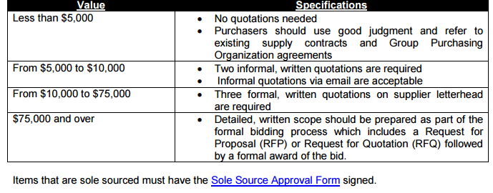

Procurement Policy Link: http://finance.wfu.edu/files/reynoldacampus_procurement_policy.pdf

GUIDELINES ON THE COMPLETION AND USE OF THE
CONTRACTOR SERVICES AGREEMENTS & CONSULTING SERVICES AGREEMENT

The University frequently seeks the assistance of outside contractors to perform specialized services. Oftentimes, University personnel who solicit the services of outside contractors receive a proposal or letter agreement from the contractor which will be presented as the contract to be signed. As these outside service providers’ documents frequently contain general terms and conditions that conflict with the University’s standard, approved provisions, signing such a proposal should be avoided. The University’s Legal Department has developed templates that can be used for agreements with these outside contractors. If you have questions or need help with a contract, Legal Department personnel will be happy to provide assistance. We are always available to review draft agreements before you send them for signature.

Note: A contract for $100,000 or more must be approved as to legality, form and compliance with University policies by the legal department. These templates contain approved standardized contracting procedures and are sufficient to meet this requirement. Any revisions or amendments to the template must be approved by the Legal Department.

The following templates are available for your use:

Contractor Services Agreement (construction) – The Contractor Services Agreement (construction) template has been developed for construction projects. Note: Large, complex construction projects may require the use of an AIA contract template rather than our standard Contractor Services Agreement template. Contact the Legal Department if you need an AIA template form (with WFU terms incorporated) or have questions regarding which contract to use for your project.

Contractor Services Agreement (non-construction) – The Contractor Services Agreement (non-construction) template is tailored for non-construction jobs such as landscaping, security services, janitorial services, etc.

Consulting Services Agreement – The Consulting Services Agreement template is designed for desk-oriented work such as business analysis, feasibility studies, web design, etc.

Revised 8.08.2018

